Sheet1
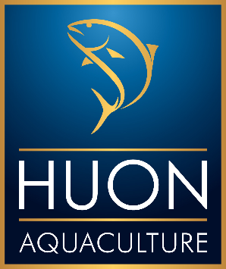
 |  | Huon Aquaculture Online Corporate Gifts |  |  |  | BILLING/ORDER INFORMATION
 |  |  |  |  |  | Contact Name:
 |  | 1. Provide your details to the right, and your recipients' details below 2. Send your completed form to huononline@huonaqua.com.au 3. Someone from our team will call to collect Mastercard or VISA details for payment Delivery dates will be confirmed by our Customer Service Team, and are subject to availability. Please contact our customer service team on 1800 651 409 if you have any questions. Redirection fees may apply if incorrect addresses apply. Submission of the order form will be treated as acceptance of the online store's Terms of Service |  |  |  | Company Name:
 |  |  |  |  |  | Address:
 |  |  |  |  |  | Phone Number:
 |  |  |  |  |  | Email:
 |  |  |  |  |  | Delivery Date:
 |  |  |  |  |  | Notes:

 |  |  |  |  |  |  |  | Sub-Total*: | $- | Thank you for your order
 |  |  |  |  |  |  |  | Total No. Hampers: | 0
 |  |  |  | View the Terms of Service Here. |  |  |  | *discounts will apply after submission. Sub-Total and discount status does not include additional products.
SHIPMENT INFORMATION
No. | Delivery Attention To | Delivery Company Name (optional) | Street Address | Postcode | Suburb | State | Recipient Phone (optional) | Hamper (select from dropdown) | Quantity | Additional Products? (Please add product code from flyer)
1
2
3
4
5
6
7
8
9
10
11
12
13
14
15
16
17
18
19
20
21
22
23
24
25
26
27
28
29
30
31
32
33
34
35
36
37
38
39
40
41
42
43
44
45
46
47
48
49
50

